Sheet1
NN |  |  | SVM |  |  | RF |  | CMSIS
Original (nS) | Fast (nS) | Slow (nS) | Original (nS) | Fast (nS) | Slow (nS) | Original (nS) | Fast (nS) | Original (nS) | Fast (nS) | Algorithm | Original (nS) | Fast (nS) | Slow (nS) | Fast Speed-Up | Slow Speed-Up
17951700 | 16772800 | 119897800 | 65385400 | 69020400 | 111587700 | 55925300 | 56869600 | 5851500 | 4741500 | NN | 15429106 | 17730096 | 126218109 | 0.87022123287 | 0.12224161907
13939500 | 18613800 | 129801700 | 42286800 | 55850800 | 67453100 | 65750900 | 100282800 | 5729900 | 4987600 | SVM | 55842261 | 59187375 | 82313171 | 0.94348264305 | 0.67841221911
13961900 | 17952100 | 126859600 | 97599700 | 77061600 | 78975400 | 105789900 | 59596900 | 4987700 | 3507900 | RF | 70678612 | 68413904 | N/A | 1.0331030371 | N/A
19719800 | 30757100 | 122838800 | 45716500 | 64417800 | 96931700 | 55389200 | 57043000 | 5491600 | 5642300 | CMSIS | 5996452 | 4769367 | N/A | 1.2572846669 | N/A
15529600 | 19214100 | 124992700 | 70889800 | 72746300 | 90889200 | 59545500 | 89030900 | 5539200 | 4739000
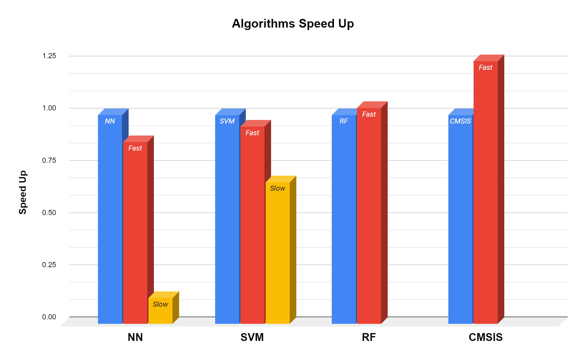
14305700 | 18950100 | 131948200 | 67141900 | 74816200 | 66822100 | 105800200 | 57046700 | 4986600 | 3990200
13477500 | 15957100 | 124859100 | 60474900 | 44051300 | 106961700 | 56551800 | 63295200 | 6959300 | 3965900
12748600 | 15959100 | 123769200 | 41308200 | 72220000 | 68684400 | 83731800 | 77458700 | 5569600 | 3964000
15512700 | 19398700 | 120893100 | 50724900 | 98005900 | 78992600 | 84036700 | 63577000 | 5515500 | 3853200
15481300 | 15639400 | 117481200 | 46803300 | 48629500 | 67739000 | 64479500 | 57410400 | 4962700 | 4867000
14808400 | 15701400 | 125109700 | 62673600 | 56233200 | 113850500 | 82847200 | 75007900 | 4986800 | 4748700
16148000 | 40891400 | 124567700 | 65463400 | 43897300 | 66488200 | 77549400 | 55844700 | 4986900 | 5614100
16294400 | 14960400 | 125577300 | 41513300 | 63180800 | 77791300 | 59710100 | 78901500 | 4961300 | 5044000
19478000 | 17431400 | 119907900 | 84401500 | 42679300 | 74919500 | 75749800 | 79739000 | 4987300 | 4760600
15067000 | 17952300 | 137526000 | 39769700 | 86732200 | 67330300 | 64236200 | 55337200 | 5640800 | 3989800
18478700 | 16305700 | 114878700 | 97018500 | 44751100 | 87292500 | 58347300 | 88466400 | 7978500 | 3960500
15007900 | 41888500 | 115224200 | 43088300 | 47641100 | 93117400 | 87670000 | 54093300 | 4847000 | 3989200
21941500 | 13401800 | 124092300 | 49565200 | 51909400 | 82399300 | 68426000 | 55845800 | 4986600 | 4523800
15797100 | 20944600 | 124068500 | 47099200 | 67085500 | 64695600 | 56848200 | 78150600 | 4751300 | 4987400
14656900 | 19682600 | 116434300 | 42656500 | 44630300 | 111009400 | 81313100 | 56797600 | 6149900 | 4305400
13511400 | 16954700 | 145218000 | 69927400 | 45701600 | 72740400 | 68782400 | 83817600 | 5984300 | 3587600
29920000 | 15344800 | 123704900 | 66148800 | 40981400 | 86438600 | 56965100 | 58084800 | 5981300 | 12966400
17868500 | 13642800 | 129312600 | 48179800 | 74201100 | 81509700 | 72269200 | 66791300 | 6835500 | 4133400
14821900 | 13962500 | 140198200 | 58580200 | 42288500 | 68857600 | 82620800 | 90838700 | 6981300 | 3989600
12966300 | 18170000 | 127224200 | 52244600 | 92462300 | 88479400 | 80094300 | 60604300 | 5985000 | 6981900
17926900 | 20413300 | 119629700 | 59274800 | 43488100 | 67683800 | 57400000 | 83953600 | 5985500 | 4986600
19946900 | 14759000 | 129049500 | 46482400 | 88396100 | 93630600 | 58395200 | 54305600 | 4987500 | 3989000
12964900 | 15328800 | 137982700 | 63174800 | 39816300 | 87348700 | 86128900 | 58405300 | 4857700 | 3579200
14958800 | 15557100 | 122084200 | 44964700 | 59039500 | 84548000 | 53856800 | 100803200 | 5984300 | 3989600
13538300 | 15281800 | 125503400 | 67703500 | 40645400 | 90017300 | 60152500 | 55680300 | 4986600 | 4967400
15956500 | 14536100 | 147044100 | 40642100 | 58514600 | 92816200 | 79786800 | 66302700 | 5979400 | 5031100
17082200 | 15956900 | 126580600 | 67929300 | 75594400 | 93618300 | 61751100 | 75668400 | 5289900 | 4987400
13963200 | 17928100 | 121942000 | 61834600 | 51154500 | 82062700 | 81239200 | 57675300 | 6981500 | 4984500
13962900 | 23935600 | 133994300 | 43649000 | 41887600 | 69534900 | 52808000 | 71500400 | 7165100 | 4853400
21723500 | 13960200 | 121346300 | 54825500 | 67944400 | 93996800 | 57640700 | 54849700 | 5982900 | 3851900
12273800 | 16126800 | 122817600 | 62943400 | 41319200 | 83776300 | 99288900 | 68822900 | 4985200 | 3988800
16331600 | 16210900 | 129571400 | 66621000 | 51098900 | 87298300 | 57934200 | 79845400 | 6254400 | 3990300
12426000 | 15723300 | 124856300 | 58697700 | 81882400 | 66215300 | 90663800 | 57251600 | 8607000 | 5724900
21860600 | 24934200 | 124589100 | 43172000 | 44401000 | 88972500 | 63931900 | 71280000 | 5637000 | 4984900
13543800 | 13107600 | 141944500 | 74345200 | 84726500 | 77742000 | 59449400 | 82338000 | 5695300 | 4986500
13547200 | 16313800 | 126395300 | 43190300 | 43732700 | 69159200 | 77814700 | 54622300 | 5984600 | 4986900
14960600 | 14969800 | 127235200 | 79555900 | 41330900 | 117427200 | 79723300 | 71479400 | 5984700 | 4502200
14347400 | 15958300 | 138677800 | 42134700 | 84989600 | 65131500 | 54395100 | 62145700 | 6379100 | 4981200
17948000 | 23456600 | 125216500 | 54387300 | 41114100 | 73801600 | 78451000 | 64415300 | 6256700 | 6540300
12705300 | 13480500 | 116599800 | 42288400 | 72729900 | 91179200 | 65993700 | 94421300 | 6131100 | 4707500
13500800 | 12790300 | 135161800 | 59412100 | 44997600 | 75402000 | 54200900 | 55216500 | 6425200 | 4984600
14115100 | 13964100 | 119939900 | 46668900 | 75263000 | 76601600 | 95597700 | 83805000 | 6645900 | 5960000
13797600 | 19852700 | 120023300 | 45877100 | 47101800 | 90192300 | 72576100 | 54022200 | 7009000 | 4693300
16573300 | 14584100 | 134917100 | 46341300 | 63974600 | 68524200 | 54117000 | 58150900 | 5985600 | 4986900
14286700 | 15957900 | 123686800 | 83265800 | 43805000 | 88282400 | 72281700 | 94285500 | 6981400 | 4794600
14402300 | 14960300 | 122167200 | 38974100 | 41986100 | 90417300 | 72308100 | 54795600 | 4986500 | 3793300
13552000 | 15957700 | 130550700 | 62008400 | 81865900 | 67237600 | 55954700 | 101603700 | 6980900 | 3989000
15952600 | 15488000 | 127229900 | 61975500 | 44678800 | 104864300 | 83893500 | 52727900 | 5984000 | 4987500
12900900 | 15408800 | 125281600 | 42744700 | 44821300 | 71435800 | 61032400 | 58234500 | 6337900 | 4986900
13931800 | 19327200 | 131706900 | 80928700 | 61847700 | 106231300 | 75124700 | 97543500 | 7386300 | 3962500
19947100 | 23485200 | 122915100 | 44573500 | 51728900 | 66711900 | 85051100 | 54325900 | 4989900 | 4231000
20327700 | 14960300 | 136301500 | 48988800 | 44682100 | 87853200 | 55063500 | 65557700 | 5301400 | 3989800
13340600 | 13509500 | 127659800 | 74022000 | 77411000 | 75022200 | 81884000 | 57714300 | 4987600 | 4950400
13432900 | 16955200 | 120631000 | 40555100 | 48177000 | 75238000 | 88382600 | 55155000 | 10970900 | 4987000
12965900 | 14097300 | 123480400 | 66523200 | 43777600 | 87270400 | 54126400 | 107055100 | 5983900 | 3990300
13733300 | 16718000 | 126706900 | 61288100 | 91855000 | 76663700 | 73575700 | 54938500 | 4762000 | 3989800
12965200 | 13785900 | 124194400 | 54948000 | 45570100 | 67986100 | 76802500 | 71574900 | 6427100 | 5984600
14295200 | 18950000 | 116918400 | 41269500 | 78156500 | 91417900 | 72669300 | 58560000 | 5972600 | 6982500
18106200 | 38897000 | 131113100 | 76985700 | 99859200 | 90281200 | 56840900 | 58873500 | 7614400 | 11969400
18949600 | 14584700 | 138065400 | 42838800 | 45127600 | 77020800 | 83186400 | 57669700 | 7823600 | 4983800
12965500 | 20949500 | 119679300 | 40212700 | 83717300 | 77267100 | 72377700 | 72483500 | 5599600 | 3936500
14365800 | 14860500 | 129036800 | 84575500 | 44176300 | 76575300 | 73966600 | 72918600 | 5777900 | 3990100
14064800 | 14958500 | 132773700 | 41217700 | 72805300 | 73103100 | 55094500 | 67864900 | 4986900 | 3988700
15957700 | 17498900 | 117194500 | 46876400 | 47854100 | 65332300 | 76042900 | 58638200 | 5338600 | 3497200
14185800 | 14789100 | 128318500 | 70022700 | 42845000 | 88822900 | 53926600 | 83069200 | 5980900 | 4975700
13960400 | 14961200 | 123252800 | 43883100 | 110138700 | 68316200 | 78593600 | 59895400 | 6430200 | 4523600
12965600 | 18311100 | 126018800 | 45878200 | 56712700 | 77065900 | 68958600 | 72024700 | 6530400 | 4952400
21491400 | 14480300 | 118542200 | 85630300 | 50347000 | 80082800 | 56702000 | 58228400 | 5981200 | 5018500
13753100 | 15957700 | 127382000 | 41284400 | 77058200 | 75423700 | 85588600 | 79610400 | 5858900 | 4985100
13958600 | 20944800 | 123530500 | 49160200 | 69658400 | 76103400 | 61617000 | 77018800 | 6940300 | 4529900
14959800 | 35433700 | 122894700 | 56795400 | 48320900 | 118744500 | 58267100 | 56777700 | 6697600 | 3989400
14283900 | 16328600 | 138959100 | 42349700 | 74122100 | 70456300 | 81154700 | 60746900 | 5984700 | 4987700
19942400 | 15957600 | 128081700 | 67168200 | 46335400 | 90885300 | 66946900 | 80956500 | 5341600 | 3989800
15783200 | 16202600 | 115976800 | 59167900 | 58120000 | 70987500 | 55577400 | 54398000 | 8976000 | 3989400
13493800 | 29706400 | 117986400 | 63112000 | 71175900 | 86043100 | 83075000 | 79101700 | 7267800 | 5116500
12671500 | 16182400 | 116858400 | 37898900 | 43882700 | 67572300 | 76150300 | 54944300 | 4984900 | 4338700
13741700 | 15590800 | 138091400 | 56822900 | 47601600 | 93730200 | 58314400 | 81262800 | 5392500 | 4496900
17344800 | 15888900 | 121084700 | 57507500 | 89305900 | 81591600 | 57692900 | 58897700 | 4535000 | 4844600
13513200 | 14937900 | 134030900 | 42888500 | 42703100 | 80175100 | 93970100 | 70525400 | 5001400 | 3990300
16800400 | 25931100 | 116487500 | 68356800 | 43684900 | 77792100 | 55036800 | 74143100 | 6981400 | 3841300
19362700 | 14747300 | 117354900 | 41980200 | 65887400 | 64302400 | 104997300 | 54623100 | 5983900 | 4849500
14809300 | 14961500 | 124912800 | 54086900 | 43011100 | 67498300 | 52770500 | 56174900 | 4985800 | 7119200
14482600 | 17736100 | 119114200 | 62730100 | 56084400 | 123841000 | 63805200 | 106405200 | 5354000 | 3990600
12517900 | 14570000 | 138042300 | 42926000 | 64476400 | 67346700 | 102161800 | 54855300 | 4987200 | 3275800
13788800 | 14629300 | 123773700 | 79012400 | 45192300 | 70252700 | 56090400 | 54566400 | 4701300 | 4985500
15826800 | 16836100 | 129220800 | 41312800 | 44973900 | 85145200 | 64610900 | 77365400 | 5935700 | 4846500
14592700 | 12961900 | 122828100 | 56968000 | 70460400 | 74638700 | 82058000 | 57820700 | 6125400 | 4322300
13970200 | 16666100 | 117786500 | 62083200 | 42127100 | 87058000 | 60077300 | 89445700 | 6333500 | 4493900
12315200 | 14959000 | 117977100 | 48675300 | 66411400 | 87297600 | 84415700 | 57683300 | 7000400 | 4073600
12747400 | 15957600 | 147144200 | 41774000 | 40817300 | 73639500 | 55209500 | 52208000 | 7455900 | 3832100
20282300 | 17132700 | 124770900 | 57118900 | 85386900 | 133219400 | 69804800 | 86227900 | 6602200 | 5560800
13963000 | 13962400 | 130856600 | 57143600 | 46449600 | 73125700 | 92951900 | 64604800 | 5548400 | 4987500
13324800 | 17416500 | 125559600 | 52751400 | 44401500 | 68981200 | 59966300 | 74046700 | 4987500 | 3989100
13387700 | 18016700 | 124263500 | 50171800 | 85825900 | 109668300 | 59916400 | 58373600 | 5763300 | 4987100
14896300 | 13962700 | 123927600 | 40015200 | 44978600 | 66660500 | 78067200 | 65975000 | 5983900 | 3989100

